Sheet1
 | Document No. |  | Issue No. | Issue Date |  |  | Review and Replace Date |  | Authorised By
 | GFF528MC |  | 2 | 07.08.2025 |  |  | 05.02.2026 |  | Magda Shah
 | Document Title |  | Gc- 24 Chicken Samosa 40G | 960G
Document amendments reason for change | Samosa Picture Changed |  |  | Page 1 of 1 |  | Previous Issue Date |  | 07.08.2025 | Uncontrolled copy unless signed original

CCSAC3-B24X8T |  | COSTCO |  |  | Gc- 24 Chicken Samosa 40G | 960G
STEP 1 |  |  |  |  |  |  | STEP 2
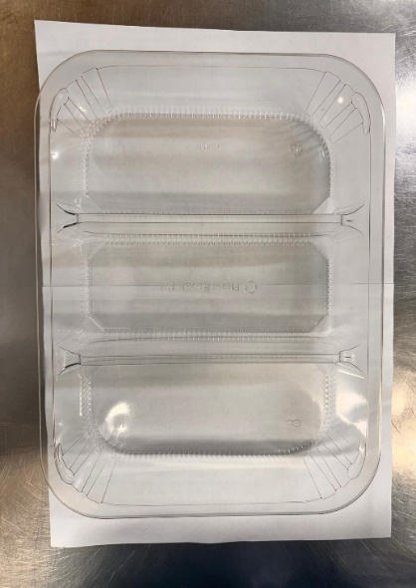 |  |  |  |  |  |  | 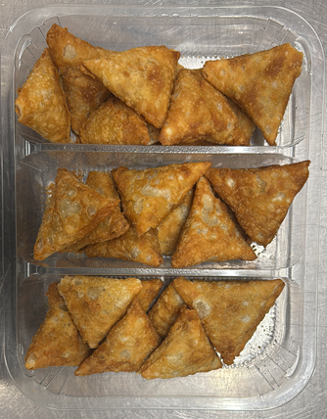

PACK DAY + 1 YEAR
GAS FLUSH
FROZEN
CHINA

Tray: HW308/60 - 3 CAVITY TRANS - 352X246X60 - (PKESS001-10) |  |  |  |  |  |  | Chicken Samosa 40g-( RMWEI002-01)- 24 Pieces
Film: K Peel RPSM 25µm (340mmX1000lmm)-PKKMP001-05
STEP 3
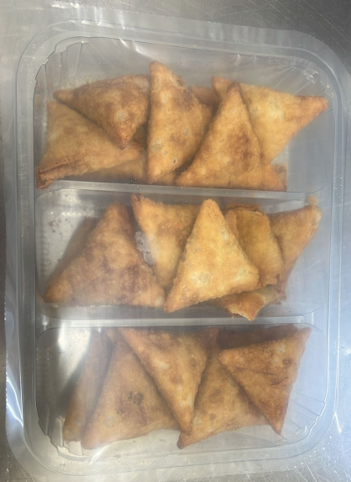

24 Chicken Samosa 40G | 960G |  |  |  |  |  |  |  |  | Total Weight 960g
ALLERGY ALERT: Wheat & Soya

